Scenarios & Pics
...
 |  | Shares | 0 |  |  |  |  |  | 100 | $- | 0 | 0
 |  | Call | 2000 | 0.25 | 2025-02-28 | 100 | E | 0.04 | 3.021140899 | $6,042.28 | 106512.02568 | 110.95226611 | 227.98410843 | -1289.7124304 | 82.577871686
 |  | Put | 2000 | 0.25 | 2025-03-10 | 90 | E | 0.04 | 10.730830579 | $21,461.66 | 182850.72509 | 37.851635367 | 103.70311059 | -912.07250967 | 176.86472759
 |  |  |  |  |  |  |  |  |  | $27,503.94 | $289,362.75 | $148.80

 |  |  |  |  |  |  |  |  |  | Unhedged Delta Shares | 2893.63

Position (sum of instruments) Profile
 | Combined Position
$40.00 | $119,343.55
$40.50 | $118,343.55
$41.00 | $117,343.55
$41.50 | $116,343.55
$42.00 | $115,343.55
$42.50 | $114,343.55
$43.00 | $113,343.55
$43.50 | $112,343.55
$44.00 | $111,343.55
$44.50 | $110,343.55
$45.00 | $109,343.55
$45.50 | $108,343.55
$46.00 | $107,343.55
$46.50 | $106,343.55
$47.00 | $105,343.55
$47.50 | $104,343.55
$48.00 | $103,343.55
$48.50 | $102,343.55
$49.00 | $101,343.55
$49.50 | $100,343.55
$50.00 | $99,343.55
$50.50 | $98,343.55
$51.00 | $97,343.55
$51.50 | $96,343.55
$52.00 | $95,343.55
$52.50 | $94,343.55
$53.00 | $93,343.55
$53.50 | $92,343.55
$54.00 | $91,343.55
$54.50 | $90,343.55
$55.00 | $89,343.55
$55.50 | $88,343.55
$56.00 | $87,343.55
$56.50 | $86,343.55
$57.00 | $85,343.55
$57.50 | $84,343.55
$58.00 | $83,343.55
$58.50 | $82,343.55
$59.00 | $81,343.55
$59.50 | $80,343.55
$60.00 | $79,343.55
$60.50 | $78,343.55
$61.00 | $77,343.55
$61.50 | $76,343.56
$62.00 | $75,343.56
$62.50 | $74,343.57
$63.00 | $73,343.59
$63.50 | $72,343.61
$64.00 | $71,343.64
$64.50 | $70,343.69
...
Current Price | $100.00 |  |  |  | Initial valuation |  |  |  |  |  |  |  | Call
Current Position | $27,503.94 |  |  |  | $27,503.94
 |  |  |  |  |  |  |  |  |  |  |  |  | ln (S/k) | t | sig^2/2
Price profiles instrument level
 | Call Valuation | Put Valuation
$40.00 | 1.2674474027E-34 | $119,343.55
$40.50 | 1.1739662719E-33 | $118,343.55
$41.00 | 1.0276981011E-32 | $117,343.55
$41.50 | 8.5174676568E-32 | $116,343.55
$42.00 | 6.6943834539E-31 | $115,343.55
$42.50 | 4.9975478544E-30 | $114,343.55
$43.00 | 3.5490589881E-29 | $113,343.55
$43.50 | 2.4011362467E-28 | $112,343.55
$44.00 | 1.5498166732E-27 | $111,343.55
$44.50 | 9.5563663044E-27 | $110,343.55
$45.00 | 5.6366454432E-26 | $109,343.55
$45.50 | 3.1842655463E-25 | $108,343.55
$46.00 | 1.7249768776E-24 | $107,343.55
$46.50 | 8.971150429E-24 | $106,343.55
$47.00 | 4.4842601748E-23 | $105,343.55
$47.50 | 2.1566545529E-22 | $104,343.55
$48.00 | 9.9901037409E-22 | $103,343.55
$48.50 | 4.4616499642E-21 | $102,343.55
$49.00 | 1.9229952435E-20 | $101,343.55
$49.50 | 8.0061668108E-20 | $100,343.55
$50.00 | 3.2227548112E-19 | $99,343.55
$50.50 | 1.2553511304E-18 | $98,343.55
$51.00 | 4.7359248919E-18 | $97,343.55
$51.50 | 1.7318094023E-17 | $96,343.55
$52.00 | 6.1431824381E-17 | $95,343.55
$52.50 | 2.1155138168E-16 | $94,343.55
$53.00 | 7.0776289268E-16 | $93,343.55
$53.50 | 2.3020735894E-15 | $92,343.55
$54.00 | 7.2846758787E-15 | $91,343.55
$54.50 | 2.2441481323E-14 | $90,343.55
$55.00 | 6.7347983764E-14 | $89,343.55
$55.50 | 1.9701634688E-13 | $88,343.55
$56.00 | 5.6214572795E-13 | $87,343.55
$56.50 | 1.5653840339E-12 | $86,343.55
$57.00 | 4.2566389824E-12 | $85,343.55
$57.50 | 1.1309094318E-11 | $84,343.55
$58.00 | 2.9372298041E-11 | $83,343.55
$58.50 | 7.461467299E-11 | $82,343.55
$59.00 | 1.8548434856E-10 | $81,343.55
$59.50 | 4.5144115344E-10 | $80,343.55
$60.00 | 1.076251765E-09 | $79,343.55
$60.50 | 2.5144763796E-09 | $78,343.55
$61.00 | 5.7596834678E-09 | $77,343.55
$61.50 | 1.2940706616E-08 | $76,343.56
$62.00 | 2.853062959E-08 | $75,343.56
$62.50 | 6.1750332273E-08 | $74,343.57
$63.00 | 1.3125550065E-07 | $73,343.59
$63.50 | 2.7410500551E-07 | $72,343.61
$64.00 | 5.6260563114E-07 | $71,343.64
$64.50 | 1.1353790107E-06 | $70,343.69
...
 |  |  |  |  |  |  |  |  |  |  |  |  | 0 | 0.08 | 0.03125
 |  |  |  |  | Price Bumper | Vol Bumper Call | Vol Bumper2 |  | Scenario Pos Val | Scenario P&L
 |  |  |  |  | $40.00 | $0.25 | $0.25 |  |  |  |  |  | -0.91629073187 | 0.08 | 0.03125
 |  |  |  |  | $40.50 | $0.25 | $0.25 |  | $0.00 | $(27,503.94) |  |  | -0.90386821188 | 0.08 | 0.03125
 |  |  |  |  | $41.00 | $0.25 | $0.25 |  | $0.00 | $(27,503.94) |  |  | -0.89159811928 | 0.08 | 0.03125
 |  |  |  |  | $41.50 | $0.25 | $0.25 |  | $0.00 | $(27,503.94) |  |  | -0.87947675875 | 0.08 | 0.03125
 |  |  |  |  | $42.00 | $0.25 | $0.25 |  | $0.00 | $(27,503.94) |  |  | -0.8675005677 | 0.08 | 0.03125
 |  |  |  |  | $42.50 | $0.25 | $0.25 |  | $0.00 | $(27,503.94) |  |  | -0.85566611006 | 0.08 | 0.03125
 |  |  |  |  | $43.00 | $0.25 | $0.25 |  | $0.00 | $(27,503.94) |  |  | -0.84397007029 | 0.08 | 0.03125
 |  |  |  |  | $43.50 | $0.25 | $0.25 |  | $0.00 | $(27,503.94) |  |  | -0.83240924789 | 0.08 | 0.03125
 |  |  |  |  | $44.00 | $0.25 | $0.25 |  | $0.00 | $(27,503.94) |  |  | -0.82098055207 | 0.08 | 0.03125
 |  |  |  |  | $44.50 | $0.25 | $0.25 |  | $0.00 | $(27,503.94) |  |  | -0.80968099682 | 0.08 | 0.03125
 |  |  |  |  | $45.00 | $0.25 | $0.25 |  | $0.00 | $(27,503.94) |  |  | -0.79850769622 | 0.08 | 0.03125
 |  |  |  |  | $45.50 | $0.25 | $0.25 |  | $0.00 | $(27,503.94) |  |  | -0.78745786003 | 0.08 | 0.03125
 |  |  |  |  | $46.00 | $0.25 | $0.25 |  | $0.00 | $(27,503.94) |  |  | -0.7765287895 | 0.08 | 0.03125
Gamma Position Sum
 | Gamma Sum
$40.00 | $0.00
$40.50 | $0.00
$41.00 | $0.00
$41.50 | $0.00
$42.00 | $0.00
$42.50 | $0.00
$43.00 | $0.00
$43.50 | $0.00
$44.00 | $0.00
$44.50 | $0.00
$45.00 | $0.00
$45.50 | $0.00
$46.00 | $0.00
$46.50 | $0.00
$47.00 | $0.00
$47.50 | $0.00
$48.00 | $0.00
$48.50 | $0.00
$49.00 | $0.00
$49.50 | $0.00
$50.00 | $0.00
$50.50 | $0.00
$51.00 | $0.00
$51.50 | $0.00
$52.00 | $0.00
$52.50 | $0.00
$53.00 | $0.00
$53.50 | $0.00
$54.00 | $0.00
$54.50 | $0.00
$55.00 | $0.00
$55.50 | $0.00
$56.00 | $0.00
$56.50 | $0.00
$57.00 | $0.00
$57.50 | $0.00
$58.00 | $0.00
$58.50 | $0.00
$59.00 | $0.00
$59.50 | $0.00
$60.00 | $0.00
$60.50 | $0.00
$61.00 | $0.00
$61.50 | $0.01
$62.00 | $0.01
$62.50 | $0.01
$63.00 | $0.02
$63.50 | $0.03
$64.00 | $0.05
$64.50 | $0.07
...
 |  |  |  |  | $46.50 | $0.25 | $0.25 |  | $0.00 | $(27,503.94) |  |  | -0.76571787339 | 0.08 | 0.03125
 |  |  |  |  | $47.00 | $0.25 | $0.25 |  | $0.00 | $(27,503.94) |  |  | -0.75502258428 | 0.08 | 0.03125
 |  |  |  |  | $47.50 | $0.25 | $0.25 |  | $0.00 | $(27,503.94) |  |  | -0.74444047495 | 0.08 | 0.03125
 |  |  |  |  | $48.00 | $0.25 | $0.25 |  | $0.00 | $(27,503.94) |  |  | -0.73396917508 | 0.08 | 0.03125
 |  |  |  |  | $48.50 | $0.25 | $0.25 |  | $0.00 | $(27,503.94) |  |  | -0.72360638804 | 0.08 | 0.03125
 |  |  |  |  | $49.00 | $0.25 | $0.25 |  | $0.00 | $(27,503.94) |  |  | -0.71334988788 | 0.08 | 0.03125
 |  |  |  |  | $49.50 | $0.25 | $0.25 |  | $0.00 | $(27,503.94) |  |  | -0.70319751641 | 0.08 | 0.03125
 |  |  |  |  | $50.00 | $0.25 | $0.25 |  | $0.00 | $(27,503.94) |  |  | -0.69314718056 | 0.08 | 0.03125
 |  |  |  |  | $50.50 | $0.25 | $0.25 |  | $0.00 | $(27,503.94) |  |  | -0.68319684971 | 0.08 | 0.03125
 |  |  |  |  | $51.00 | $0.25 | $0.25 |  | $0.00 | $(27,503.94) |  |  | -0.67334455326 | 0.08 | 0.03125
 |  |  |  |  | $51.50 | $0.25 | $0.25 |  | $0.00 | $(27,503.94) |  |  | -0.66358837832 | 0.08 | 0.03125
 |  |  |  |  | $52.00 | $0.25 | $0.25 |  | $0.00 | $(27,503.94) |  |  | -0.65392646741 | 0.08 | 0.03125
 |  |  |  |  | $52.50 | $0.25 | $0.25 |  | $0.00 | $(27,503.94)
 |  |  |  |  | $53.00 | $0.25 | $0.25 |  | $0.00 | $(27,503.94)
 |  |  |  |  | $53.50 | $0.25 | $0.25 |  | $0.00 | $(27,503.94)
 |  |  |  |  | $54.00 | $0.25 | $0.25 |  | $0.00 | $(27,503.94)
 |  |  |  |  | $54.50 | $0.25 | $0.25 |  | $0.00 | $(27,503.94)
 |  |  |  |  | $55.00 | $0.25 | $0.25 |  | $0.00 | $(27,503.94)
 |  |  |  |  | $55.50 | $0.25 | $0.25 |  | $0.00 | $(27,503.94)
 |  |  |  |  | $56.00 | $0.25 | $0.25 |  | $0.00 | $(27,503.94)
 |  |  |  |  | $56.50 | $0.25 | $0.25 |  | $0.00 | $(27,503.94)
 |  |  |  |  | $57.00 | $0.25 | $0.25 |  | $0.00 | $(27,503.94)
 |  |  |  |  | $57.50 | $0.25 | $0.25 |  | $0.00 | $(27,503.94)
 |  |  |  |  | $58.00 | $0.25 | $0.25 |  | $0.00 | $(27,503.94)
 |  |  |  |  | $58.50 | $0.25 | $0.25 |  | $0.00 | $(27,503.94)
 |  |  |  |  | $59.00 | $0.25 | $0.25 |  | $0.00 | $(27,503.94)
 |  |  |  |  | $59.50 | $0.25 | $0.25 |  | $0.00 | $(27,503.94)
 |  |  |  |  | $60.00 | $0.25 | $0.25 |  | $0.00 | $(27,503.94)
 |  |  |  |  | $60.50 | $0.25 | $0.25 |  | $0.00 | $(27,503.94)
$Gamma vs $Vega for ATMF by expiration
 | Gamma | Vega
1 | 152.43481562 | 41.762963184
2 | 107.78711504 | 59.061432899
3 | 88.007339968 | 72.334799973
4 | 76.216184296 | 83.524585529
5 | 68.169462851 | 93.382825823
6 | 62.229587901 | 102.29521299
7 | 57.613094989 | 110.4908671
8 | 53.891827233 | 118.11907339
9 | 50.809430099 | 125.28352627
10 | 48.201799788 | 132.05972545
11 | 45.958366907 | 138.50466739
12 | 44.001550851 | 144.66263294
13 | 42.275096398 | 150.56883649
14 | 40.737084226 | 156.25182991
15 | 39.355551745 | 161.73514416
16 | 38.105645217 | 167.03844479
17 | 36.967708105 | 172.17836652
18 | 35.925962362 | 177.16912946
19 | 34.967576906 | 182.02300307
20 | 34.08199571 | 186.75066143
21 | 33.260444122 | 191.36145933
22 | 32.495560105 | 195.86364995
23 | 31.781114685 | 200.26455829
24 | 31.111797165 | 204.57072108
25 | 30.483048098 | 208.78800067
26 | 29.890927953 | 212.92167857
27 | 29.332012794 | 216.97653299
28 | 28.803310639 | 220.95690353
29 | 28.302193836 | 224.86674555
30 | 27.826343933 | 228.70967616
31 | 27.373706423 | 232.48901345
32 | 26.942453319 | 236.20780992
33 | 26.530952029 | 239.86888136
34 | 26.137739294 | 243.47483178
35 | 25.761499255 | 247.02807505
36 | 25.401044899 | 250.5308538
37 | 25.055302275 | 253.98525594
38 | 24.723297019 | 257.39322924
39 | 24.404142781 | 260.7565941
40 | 24.097031268 | 264.07705499
41 | 23.801223613 | 267.35621045
42 | 23.5160429 | 270.59556214
43 | 23.240867638 | 273.79652286
44 | 22.975126058 | 276.96042371
45 | 22.718291115 | 280.0885206
46 | 22.469876088 | 283.18200001
47 | 22.229430697 | 286.24198432
48 | 21.996537671 | 289.26953649
49 | 21.770809696 | 292.26566441
50 | 21.55188671 | 295.23132479
...
 |  |  |  |  | $61.00 | $0.25 | $0.25 |  | $0.00 | $(27,503.94)
 |  |  |  |  | $61.50 | $0.25 | $0.25 |  | $0.01 | $(27,503.94)
 |  |  |  |  | $62.00 | $0.25 | $0.25 |  | $0.01 | $(27,503.93)
 |  |  |  |  | $62.50 | $0.25 | $0.25 |  | $0.02 | $(27,503.93)
 |  |  |  |  | $63.00 | $0.25 | $0.25 |  | $0.03 | $(27,503.92)
 |  |  |  |  | $63.50 | $0.25 | $0.25 |  | $0.04 | $(27,503.90)
 |  |  |  |  | $64.00 | $0.25 | $0.25 |  | $0.06 | $(27,503.88)
 |  |  |  |  | $64.50 | $0.25 | $0.25 |  | $0.10 | $(27,503.85)
 |  |  |  |  | $65.00 | $0.25 | $0.25 |  | $0.15 | $(27,503.80)
 |  |  |  |  | $65.50 | $0.25 | $0.25 |  | $0.22 | $(27,503.72)
 |  |  |  |  | $66.00 | $0.25 | $0.25 |  | $0.33 | $(27,503.62)
 |  |  |  |  | $66.50 | $0.25 | $0.25 |  | $0.48 | $(27,503.46)
 |  |  |  |  | $67.00 | $0.25 | $0.25 |  | $0.71 | $(27,503.23)
 |  |  |  |  | $67.50 | $0.25 | $0.25 |  | $1.03 | $(27,502.91)
 |  |  |  |  | $68.00 | $0.25 | $0.25 |  | $1.49 | $(27,502.45)
 |  |  |  |  | $68.50 | $0.25 | $0.25 |  | $2.14 | $(27,501.80)
 |  |  |  |  | $69.00 | $0.25 | $0.25 |  | $3.06 | $(27,500.88)
Gamma and Vega vs Stockprice
 | Vega | Gamma
$40.00 | $0.00 | $0.00
$40.50 | $0.00 | $0.00
$41.00 | $0.00 | $0.00
$41.50 | $0.00 | $0.00
$42.00 | $0.00 | $0.00
$42.50 | $0.00 | $0.00
$43.00 | $0.00 | $0.00
$43.50 | $0.00 | $0.00
$44.00 | $0.00 | $0.00
$44.50 | $0.00 | $0.00
$45.00 | $0.00 | $0.00
$45.50 | $0.00 | $0.00
$46.00 | $0.00 | $0.00
$46.50 | $0.00 | $0.00
$47.00 | $0.00 | $0.00
$47.50 | $0.00 | $0.00
$48.00 | $0.00 | $0.00
$48.50 | $0.00 | $0.00
$49.00 | $0.00 | $0.00
$49.50 | $0.00 | $0.00
$50.00 | $0.00 | $0.00
$50.50 | $0.00 | $0.00
$51.00 | $0.00 | $0.00
$51.50 | $0.00 | $0.00
$52.00 | $0.00 | $0.00
$52.50 | $0.00 | $0.00
$53.00 | $0.00 | $0.00
$53.50 | $0.00 | $0.00
$54.00 | $0.00 | $0.00
$54.50 | $0.00 | $0.00
$55.00 | $0.00 | $0.00
$55.50 | $0.00 | $0.00
$56.00 | $0.00 | $0.00
$56.50 | $0.00 | $0.00
$57.00 | $0.00 | $0.00
$57.50 | $0.00 | $0.00
$58.00 | $0.00 | $0.00
$58.50 | $0.00 | $0.00
$59.00 | $0.00 | $0.00
$59.50 | $0.00 | $0.00
$60.00 | $0.00 | $0.00
$60.50 | $0.00 | $0.00
$61.00 | $0.00 | $0.00
$61.50 | $0.00 | $0.00
$62.00 | $0.00 | $0.00
$62.50 | $0.00 | $0.00
$63.00 | $0.00 | $0.00
$63.50 | $0.00 | $0.00
$64.00 | $0.00 | $0.00
$64.50 | $0.00 | $0.00
...
 |  |  |  |  | $69.50 | $0.25 | $0.25 |  | $4.36 | $(27,499.59)
 |  |  |  |  | $70.00 | $0.25 | $0.25 |  | $6.19 | $(27,497.75)
 |  |  |  |  | $70.50 | $0.25 | $0.25 |  | $8.78 | $(27,495.16)
 |  |  |  |  | $71.00 | $0.25 | $0.25 |  | $12.45 | $(27,491.49)
 |  |  |  |  | $71.50 | $0.25 | $0.25 |  | $17.65 | $(27,486.29)
 |  |  |  |  | $72.00 | $0.25 | $0.25 |  | $25.05 | $(27,478.89)
 |  |  |  |  | $72.50 | $0.25 | $0.25 |  | $35.58 | $(27,468.36)
 |  |  |  |  | $73.00 | $0.25 | $0.25 |  | $50.61 | $(27,453.34)
 |  |  |  |  | $73.50 | $0.25 | $0.25 |  | $72.07 | $(27,431.87)
 |  |  |  |  | $74.00 | $0.25 | $0.25 |  | $102.75 | $(27,401.20)
 |  |  |  |  | $74.50 | $0.25 | $0.25 |  | $146.54 | $(27,357.40)
 |  |  |  |  | $75.00 | $0.25 | $0.25 |  | $208.97 | $(27,294.97)
 |  |  |  |  | $75.50 | $0.25 | $0.25 |  | $297.73 | $(27,206.22)
 |  |  |  |  | $76.00 | $0.25 | $0.25 |  | $423.44 | $(27,080.50)
 |  |  |  |  | $76.50 | $0.25 | $0.25 |  | $600.71 | $(26,903.23)
 |  |  |  |  | $77.00 | $0.25 | $0.25 |  | $849.39 | $(26,654.55)
 |  |  |  |  | $77.50 | $0.25 | $0.25 |  | $1,196.22 | $(26,307.73)
 |  |  |  |  | $78.00 | $0.25 | $0.25 |  | $1,676.85 | $(25,827.09)
 |  |  |  |  | $78.50 | $0.25 | $0.25 |  | $2,338.43 | $(25,165.52)
 |  |  |  |  | $79.00 | $0.25 | $0.25 |  | $3,242.61 | $(24,261.33)
 |  |  |  |  | $79.50 | $0.25 | $0.25 |  | $4,469.32 | $(23,034.62)
 |  |  |  |  | $80.00 | $0.25 | $0.25 |  | $6,121.13 | $(21,382.81)
 |  |  |  |  | $80.50 | $0.25 | $0.25 |  | $8,328.40 | $(19,175.55)
 |  |  |  |  | $81.00 | $0.25 | $0.25 |  | $11,255.20 | $(16,248.74)
 |  |  |  |  | $81.50 | $0.25 | $0.25 |  | $15,106.14 | $(12,397.81)
 |  |  |  |  | $82.00 | $0.25 | $0.25 |  | $20,133.84 | $(7,370.11)
...

NSA and SA data
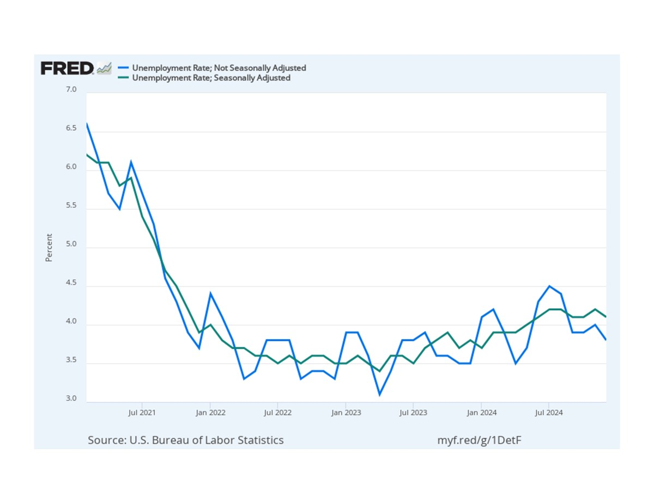
observation_date | UNRATENSA | UNRATE
1948-01-01 | 4 | 3.4
1948-02-01 | 4.7 | 3.8
1948-03-01 | 4.5 | 4
1948-04-01 | 4 | 3.9
1948-05-01 | 3.4 | 3.5
1948-06-01 | 3.9 | 3.6
1948-07-01 | 3.9 | 3.6
1948-08-01 | 3.6 | 3.9
1948-09-01 | 3.4 | 3.8
1948-10-01 | 2.9 | 3.7
1948-11-01 | 3.3 | 3.8
1948-12-01 | 3.6 | 4
1949-01-01 | 5 | 4.3
1949-02-01 | 5.8 | 4.7
1949-03-01 | 5.6 | 5
1949-04-01 | 5.4 | 5.3
1949-05-01 | 5.7 | 6.1
1949-06-01 | 6.4 | 6.2
1949-07-01 | 7 | 6.7
1949-08-01 | 6.3 | 6.8
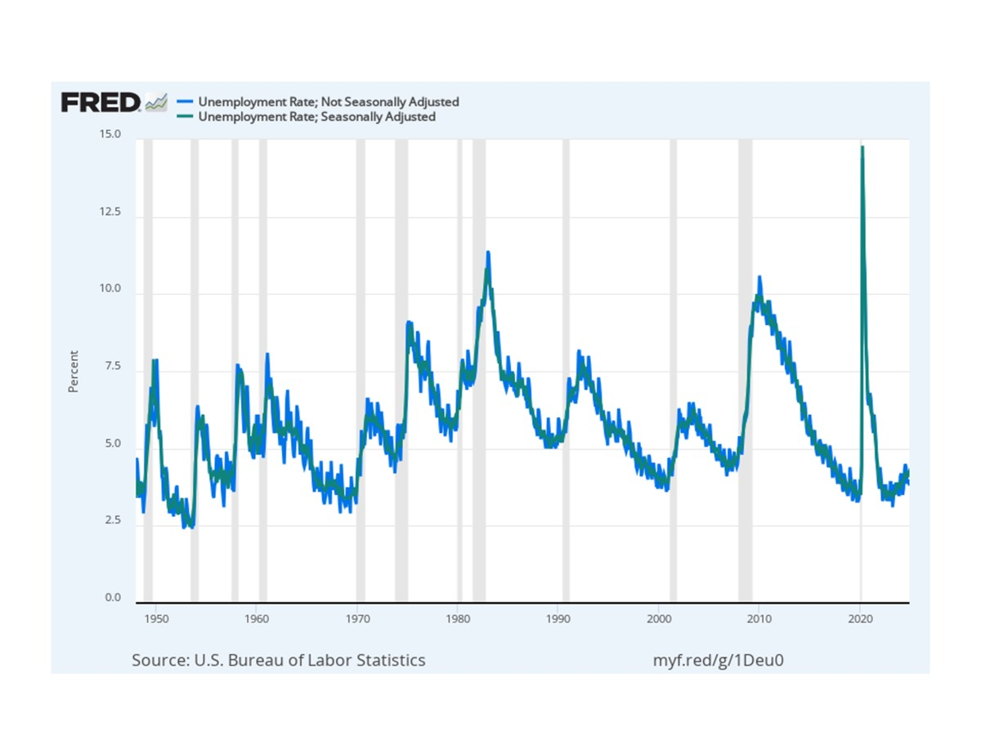
1949-09-01 | 5.9 | 6.6
1949-10-01 | 6.1 | 7.9
1949-11-01 | 5.7 | 6.4
1949-12-01 | 6 | 6.6
1950-01-01 | 7.6 | 6.5
1950-02-01 | 7.9 | 6.4
1950-03-01 | 7.1 | 6.3
1950-04-01 | 6 | 5.8
1950-05-01 | 5.3 | 5.5
1950-06-01 | 5.6 | 5.4
1950-07-01 | 5.3 | 5
1950-08-01 | 4.1 | 4.5
1950-09-01 | 4 | 4.4
1950-10-01 | 3.3 | 4.2
1950-11-01 | 3.8 | 4.2
1950-12-01 | 3.9 | 4.3
1951-01-01 | 4.4 | 3.7
1951-02-01 | 4.2 | 3.4
1951-03-01 | 3.8 | 3.4
1951-04-01 | 3.2 | 3.1 | X11 - smoothing procedure whitepapers
1951-05-01 | 2.9 | 3 | Time Series and Seasonal Adjustment
1951-06-01 | 3.4 | 3.2 | Time Series Analysis: Seasonal Adjustment Methods
1951-07-01 | 3.3 | 3.1 | CPS008-P3-S.pdf
1951-08-01 | 2.9 | 3.1
1951-09-01 | 3 | 3.3
1951-10-01 | 2.8 | 3.5
1951-11-01 | 3.2 | 3.5
1951-12-01 | 2.9 | 3.1
1952-01-01 | 3.7 | 3.2
...

